Sheet1
Discharge sensor Amp.

Measurement No: | Input [mA] | Output [raw ADC value] | med cal
1 | 0 | 10 | 66
2 | 500 | 150
3 | 1000 | 291
4 | 1500 | 436
5 | 2000 | 579
 | 2500 |  | 2590
 | 3000 |  | 3075
 | 4000 |  | 4076
 | 5000 |  | 5066
 | 6000 |  | 6060
 | 8000 |  | 7994
 | 10000 |  | 9920

 | Slope (gain) | 0.2848
 | Intercept (offset) | 8.4
 | 1/Slope | 3.5112

 | Input raw adc | 436
 | Formula | (Input raw-offset)*(1/slope)
 | output mA | 1501.40

Sheet2
Charge sensor Amp.

Measurement No: | Input [mA] | Output [raw ADC value]
1 | 0 | 691
2 | 500 | 1033
3 | 1000 | 1350 | 954
4 | 1500 | 1672
5 | 2000 | 2012

 | Slope (gain) | 0.656
 | Intercept (offset) | 695.4
 | 1/Slope | 1.524

 | Input raw adc | 1350
 | Formula ideal | (Input raw-offset)*(1/slope)
 | output mA | 997.56

 | 8 bit formula comparison

 | output mA /gain | 997.866 |  | Konklusion anvend min. 3 decimalers præcision
 | output mA*1 /gain | 9976.104

Sheet3
Discharge sensor Amp.

Measurement No: | Input [C] | Output [raw ADC value] |  | delt med 104
0 | -10 |  | 1900 | 18
1 | 0 | 2185 | 2600 | 23
2 | 10 | 3028 | 3100
3 | 20 | 4154 |  |  |  | 0 | 2392
4 | 30 | 5281 |  | 47 |  | 30 | 4888
5 | 60 |  |  | 84 |  | 60 | 8736
 |  | 21.009615385

 | Slope (gain) | 104.14 | 60 |  |  |  | 105.73333333
 | Intercept (offset) | 2099.9 |  |  |  |  | 23
 | 1/Slope | 0.0096

 | Input raw adc | 5281
 | Formula | (Input raw-offset)/slope
 | output mA | 30.55

Temp. Value from BMS after calibration
 |  |  |  |  | Når der deles med 95
 |  |  |  |  |  |  | 104
 |  |  |  |  | Målinger efter cal
 |  |  |  |  | AMETEK ITC-155 A | BMS | Efter seneste Cal.
 |  |  |  |  | -10 | -7 | -9
 |  |  |  |  | 0 | 0 | 0
 |  |  |  |  | 30 | 30 | 28
 |  |  |  |  | 60 | 69 | 63

Sheet4
attery Management Systems: Accurate State-of-charge Indication for Battery Powered Applications

Page 29

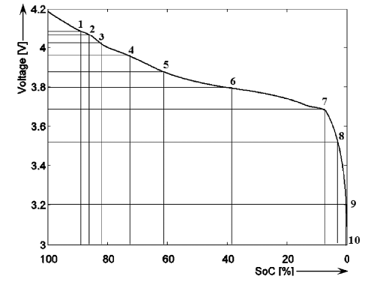

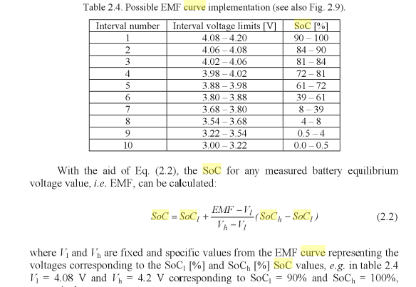
 | 4.2 | 100 | 83.333333333 | 90-100
 | 4.08 | 90
 | 4.06 | 84 | 300 | 84-90
 | 4.02 | 81 | 75 | 81-84
 | 3.98 | 72 | 225 | 72-81
 | 3.68 | 8
 | 3 | 0

Li-PO

